Home
Tutorial 1

Introduction to Excel
Count & Sum
Istext, Isblank, Isnumber, Iserror

Around Excel Sheet
Counta & Countblank
ShortCuts in Excel

Age Calculation
Countif, Countifs, Sumif, Sumifs
Working

Concatenate
Upper,Proper,Lower,Trim

Introduction to MS Excel
Home
Intoduction to MS Excel

About Excel
Microsoft Excel is a Spreadsheet program. Spreadsheets allow you to keep track of data, create charts based from data, and perform complex calculations. Just like a book ledger, spreadsheets store information in columns and rows. You can have up to 256 columns and 65,536 rows per worksheet in excel 2003 and 1048576 rows and 16384 columns in excel 2007,2010,2013,2016.

What is workbook?
A workbook is a spreadsheet file. By default, each workbook in Excel contains three pages or worksheets.

What is worksheet or sheets?
An Excel worksheet is a single spreadsheet that contains cells organized by rows and columns. A worksheet begins with row number one and column A. Each cell can contain a number, text or formula. A cell can also reference another cell in the same worksheet, the same workbook or a different workbook.

What is Row?
Rows run horizontally in an Excel worksheet. Each row is identified by a number in the row header. There are 1048576 rows in each Excel worksheet.

What is Column?
Columns run vertically in a worksheet. Each column is identified by a letter in the column header starting with Column A and running through to Column XFD. There are 16384 columns in each excel worksheet.

What is Cell?
The intersection point between a row and a column is called a cell.

what is the heirarchy we follow in Excel?

Around Excel Sheet
Home
Around Excel Sheet

File Menu
Quick Acces Toolbar
Title Bar

Ribbon
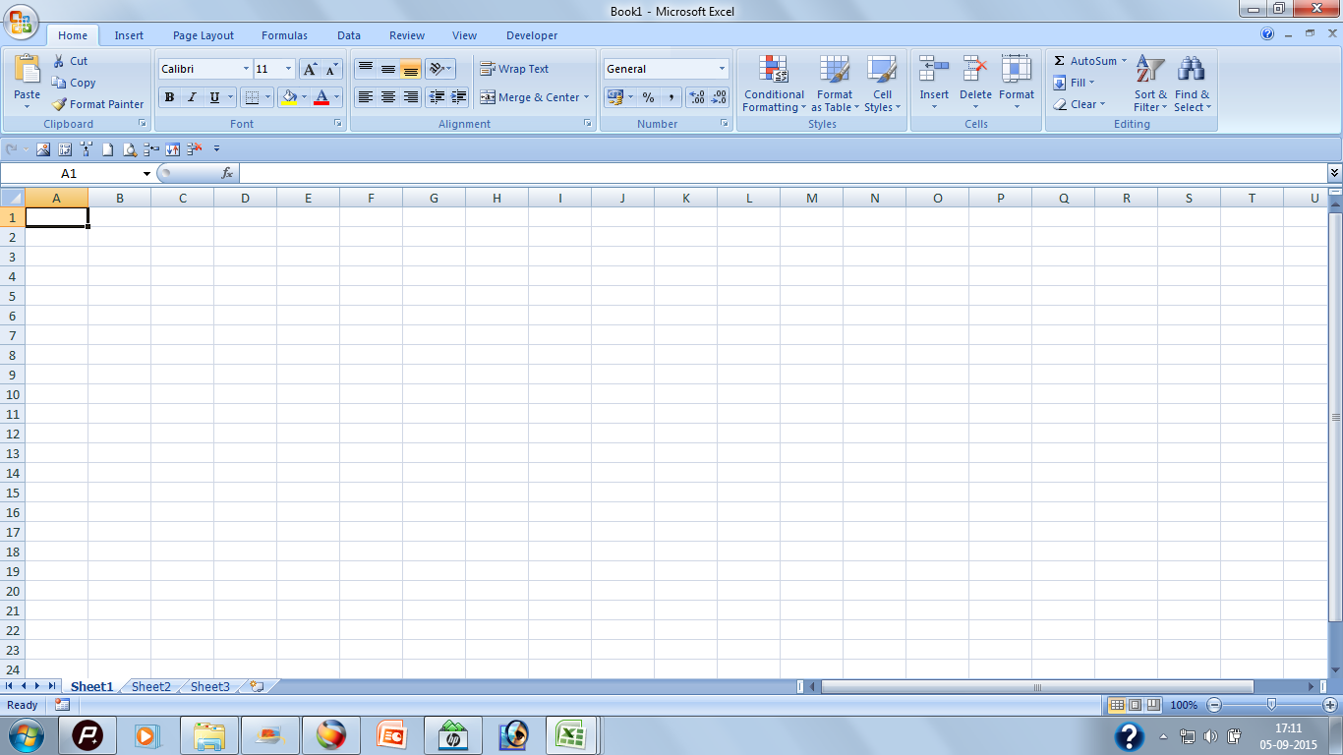

Ribbon

Adress Bar & Name Box

Column Header
Row Header

Columns
Insertion Point
Formula Bar

Active Cell

Rows
Cell

Vertical Scroll Bar

Sheet Tabs
Horizontal Scroll Bar
Status Bar

Zoom In /Out

Age Calculation
Age Calculation : Datedif Function

Home
Datedif Function
The DATEDIF function computes the difference between two dates in a variety of different intervals, such as the number of years, months, or days between the dates

Parameters:-
1 | Date of Joining, Date of Birth or Start Date |  |  | 1-Jan-47 | 78 | 88
2 | End Date or Today's Date |  |  | 2025-03-30 | 2
3 | Interval |  |  | 78 | 29
 |  |  |  | 2
Syntax: | DATEDIF(Start Date, End Date, "Interval") |  |  | 29 |  | 938
 |  |  |  |  |  | 28578 | 15-Aug-47
 |  |  |  |  |  | 4083 | 2025-03-30
Interval | Meaning | Description
M | Months | Complete calendar months between the dates. |  |  |  | Year | 77
D | Days | Number of days between the dates. |  |  |  | Month | 7 | 228
Y | Years | Complete calendar years between the dates. |  |  |  | Day | 15
YM | Months Excluding Years | Complete calendar months between the dates as if they were of the same year. |  |  |  |  |  | 28352
YD | Days Excluding Years | Complete calendar days between the dates as if they were of the same year. |  |  |  |  | 931 | 4050
MD | Days Excluding Years And Months | Complete calendar days between the dates as if they were of the same month and same year. |  |  |  | 28352
 | 25 year 5 Month 21 day

Examples:- |  |  |  | 3/30/25
 | Start Date | End Date |  |  | 4 | 0 | 14
 | 2021-03-16 | 2025-03-30 20:27:44 | 4 | 0 | 14

Years | =DATEDIF(B26,C26,"Y") |  |  | Output | 4
 |  |  |  | 35400
Year Between Months | =DATEDIF(B26,C26,"YM") |  | 4 |  | 0
 |  |  | 0
Months Between Days | =DATEDIF(B26,C26,"MD") |  | 14 |  | 14

Total Months | =DATEDIF(B26,C26,"M") |  |  |  | 48

Total Days | =DATEDIF(B26,C26,"D") |  |  |  | 1475

Year Between Days | =DATEDIF(B26,C26,"YD") |  |  |  | 14
 |  |  |  |  |  | 52

Working:-
 |  | Y | YM | MD | M | D | YD
Start Date | End Date | Years | Months | Days | Months | Days | Year Between Days
1-Jun-13 | 19-Apr-20 | 6 | 10 | 18 | 82 | 2514 | 322
 |  | 72 |  |  |  | 4320
 |  | 2190 | 310
~
 |  |  |  |  | 2025-03-30

 |  |  | Num/Text
 | Data Type in Excel |  | Identify Text and Numbers |  |  | Use of Isnumber and Istext
123 | 123 |  | TRUE |  |  | FALSE
123 | 3242234 |  | FALSE |  |  | TRUE
TRUE | 2sdfs |  | FALSE |  |  | TRUE
 | >234 |  | FALSE |  |  | TRUE
 | 12 |  | FALSE |  |  | TRUE
 |  |  | FALSE |  |  | FALSE
 | 2,323.00 |  | TRUE |  |  | FALSE
 | 232 |  | FALSE |  |  | TRUE

Concatenate
Concatenate
Home
one of the text functions, to join two or more text strings into one string.

Syntax: CONCATENATE(text1, [text2], ...)

Examples:

First Name | Last Name | Function |  | Output
Manisha | Agarwal | =CONCATENATE(A10," ",B10) |  |  | Manisha Agarwal
 |  |  |  |  | Manisha Agarwal
Years | Months | Days
23 | 6 | 12

Aging | =A13&" "&A12&" "&B13&" "&B12&" "&C13&" "&C12

Output | 23 Years 6 Months 12 Days

Note:- You can used "&" to join two words

 |  |  | 2000-02-23 | 2020-02-23 |  |  |  | 1996-08-25
Working:- |  | ;

Start Date | End Date | Years | Months | Days | Months | Days | Year Between dAys
2021-05-20 | 3/30/25 | 3 | 10 | 10 | 10 | 314 | 10

Rohit | Gupta | Rohit Gupta | 3 Years 10 Month 10 Days |  |  | 3 Years 10 Months 10 Days
Raj | Malhotra | Raj Malhotra | 3 Years 10 Months 10 Days |  |  | 3 Years 10 Months 10 Days

 | 33855 |  | 3 Years 10 Months 10 Days
 |  |  | 3 Years 10 Months 10 Days

Employee ID | DOJ | 31 Years 9 Months 10 Days | 31 Year 239 Days
30015 | 12-Mar-87 | 38 Years 0 Months 18 Days | 38 Years 18 Days
30006 | 6-Jan-88 | 37 Years 2 Months 24 Days | 37 Years 84 Days
30008 | 1-Nov-88 | 36 Years 4 Months 29 Days | 36 Years 149 Days
30004 | 28-Aug-89 | 35 Years 7 Months 2 Days | 35 Years 214 Days
30015 | 24-Jun-90 | 34 Years 9 Months 6 Days | 34 Years 279 Days
30019 | 20-Apr-91 | 33 Years 11 Months 10 Days | 33 Years 345 Days
30013 | 14-Feb-92 | 33 Years 1 Months 16 Days | 33 Years 45 Days
30002 | 10-Dec-92 | 32 Years 3 Months 20 Days | 32 Years 110 Days
30016 | 6-Oct-93 | 31 Years 5 Months 24 Days | 31 Years 175 Days
30007 | 2-Aug-94 | 30 Years 7 Months 28 Days | 30 Years 240 Days
30014 | 29-May-95 | 29 Years 10 Months 1 Days | 29 Years 306 Days

30 015
Hello | I | Am | From | India
300 08
30 004
30015 |  | Hello I Am From India
30019 |  | Hello I Am From India
30013
30002

Count
Count
Home
To count the number of cells that contain numbers, use the COUNT function

Syntax: COUNT(value1, [value2], ...)

Examples:

First Method |  | Second Method
 |  |  | 5 |  |  | 5
kljkjk |  | 4 |  |  | 2
0 |  | 2
 |  | 5 | 2
5 |  | 1
i

=COUNT(A9,A10,A11,A12,A13) |  | =COUNT(C11:C15) | 12 |  | =COUNT(F11:F15)

Ouput |  | Ouput |  |  | Ouput

2 |  | 4 |  |  | 1

 |  |  | 5

Working Count:-

Data1 | Data2 | Data3 | Data4
10 | 20 | 30 | 3
10 | 0 | 30 | 3
10 | -20
10 | 32143 | 30 | 3
10 | 0.89583333333 |  | 3
10 | 0.0038173441968 | 30
10 |  |  | 2 | 1
aa | Hello | 30 | 3
10 | #DIV/0! | 30 | 3

8 | 6 | 6

Sum

The Microsoft Excel SUM function adds all numbers in a range of cells and returns the result.

Syntax:

SUM( number1, [number2, ... number_n] )

Parameters:

number:- A numeric value that you wish to sum.

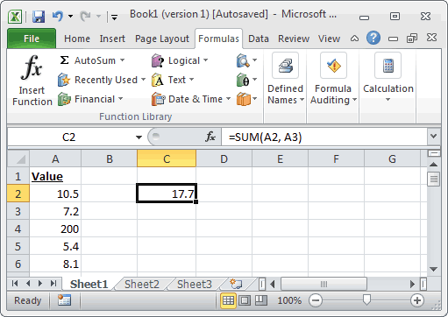

Example:-

66 | 66 | 25 | 25 | 75
91 | 91 | 29 | 29 | 69
20 | 20 | 78 | 78 | 71
25 | 25 | 48 | 48 | 32
14 | 14 | 73 | 73 | 63
47 | 47 | 51 | 51 | 17
39 | 39 | 54 | 54 | 52

=SUM(A31,A32) | =SUM(B31,B32,55) | =SUM(C31:C37) | =SUM(D31:D34,D35:D37) | =SUM(E31:E33,E34:E36,55) | Function
 | 657
157 | 212 | 358 | 358 | 382 | Result

Note:- Shortcut for Sum is ALT + = , but its limitation is that if there is any blank cell then the data will be selected upto blank cell only, then we have to manually select the range.

Working:-

 |  |  |  |  | 12
66 | 66 | 66 |  |  | 23
91 | 91 | 91 |  |  | 23
20 | 20 | 20 |  |  | 2
25 | 25 | 1 |  |  | s
14 | 14 |  |  |  | 232
47 | 47 | 47 |  |  | 323
39 | 39 | 39
 |  | 264

302 | 302
 | ALT=

Counta & Countblank
Counta and Countblank

Home
The COUNTA function counts the number of cells that are not empty in a range i.e. it counts everything except blank cells

Syntax: COUNTA(value1, [value2], ...)

The COUNTBLANK function Counts empty cells in a specified range of cells.

Syntax: COUNTBLANK(RANGE)

Examples:

Example 1 |  | Example 2 |  |  | Example 3 |  | Example 4

a |  |  |  |  |  |  | 24
 |  |  | 3
 |  |  | 3 |  |  |  | 23

b |  |  |  |  |  |  | 4
h
=COUNTA(A9,A10,A11,A12,A13) |  | =COUNTA(C11:C15) |  |  | =COUNT(F11:F15) |  | =COUNTBLANK(I16:I20)

Ouput |  | Ouput |  |  | Ouput |  | Ouput

2 |  | 0 |  |  | 0 |  | 2

 |  | 1 |  |  |  | 1
 |  |  |  | 2 |  | 2
 |  |  |  | 4

Working:-
 |  | 6 |  |  |  | 5 |  | 7
 |  |  |  |  |  | 4 |  | 5
Data1 | Data2 | Data3 | Data4 | Data5 |  | 3
10 | 20 | 30 | 3 | 3
10 | 0 | 30 |  | 3 |  | d
10 | -20
10 | 32143 | 30 | 3 | 3
10 | 0.89583333333 |  | 3 | 3 | TRUE
10 | 0.0038173441968 | 30
10 |  |  | 2 | 2 | TRUE
aa | Hello | 30 | 3 | 3 | FALSE
10 | #DIV/0! | 30 | 3 | 3
 |  |  | 3

 |  |  | 4
 | i |  | 3
 | 0 |  | 8
 | 8
 | h

 | 6

 | k

 | j
 | 7

Countif
Countif
Home
Count if function count the number of cells that meet a particular criteria; i.e. it counts as per the criteria and only single criteria can be used.

Syntax: COUNTIF(range, criteria)

Examples:

Item | Date | Cost
Brakes | 2-Jan-02 | 80
Tyres | 2-Mar-02 | 25 |  | 4
Tyres | 2-Jan-02 | 80
Brakes | 2-Mar-02 | 150
Service | 2-Jun-02 | 300 |  | 2 |  | 4
Window | 2-Jun-02 | 50
Tyres | 2-Apr-02 | 200
Tyres | 2-Mar-02 | 100
Clutch | 2-May-02 | 250

Count the item named as "Brakes" |  | Count the item sale after April 2002 |  | Count the item cost 100 and above

=COUNTIF(A11:A19,"Brakes") |  | =COUNTIF(B11:B19,">30-Apr-02") |  | =COUNTIF(C11:C19,">100")

Output |  | Output |  | Output

2 |  | 3 |  | 4

Conditional Operators
 | > | Greater than
 | < | Less than
 | >= | Greater than equal to
 | <= | Less than equal to
 | = | Equal to
 | <> | Not Equal to

Working:-
 |  | 4

Item | Date | Cost |  |  |  | Rohit |  |  | Begins with R
Brakes | 2-Jan-02 | 80 |  |  |  | Rahut |  |  | Ends with t
Tyres | 2-Mar-02 | 25 |  |  |  | Sunny |  |  | Contain u | 2
Tyres | 2-Jan-02 | 80 |  | 405 |  | Lalit
Brakes | 2-Mar-02 | 150
Service | 2-Jun-02 | 300 |  | 230 |  | Wildcard Operators
Window | 2-Jun-02 | 100 |  |  |  | Begins with A*
Tyres | 2-Apr-02 | 200 |  | 405 |  | Ends with *A
Tyres | 2-Mar-02 | 100 |  |  |  | Contain *A*
Clutch | 2-May-02 | 250
 |  |  |  | 6 |  | 2
 | Tyres | 4 |  | 4 |  | 6
 | Window | 1
 | 100 or Above | 6
 | >Apr-2002 | 3 |  |  |  | count all items whos begin with t
 | Tyres |  |  |  |  | 4
Vendor Code | Duplicates |  |  |  |  | end with s
2E536 | 1 |  |  |  |  | 7
2E537 | 1
2E551 | 1
2E515 | 1
2E563 | 2
2E563 | 2
2E533 | 1
2E571 | 2
2E546 | 2
2E502 | 1
2E509 | 1
2E545 | 3
2E545 | 3
2E558 | 1
2E579 | 2
2E504 | 1
2E500 | 1
2E542 | 1
2E576 | 1
2E512 | 1
2E560 | 1
2E592 | 1
2E532 | 1
2E582 | 1
2E598 | 2
2E527 | 1
2E541 | 1
2E579 | 2
2E510 | 1
2E505 | 1
2E526 | 1
2E564 | 1
2E598 | 2
2E577 | 2
2E550 | 1
2E571 | 2
2E545 | 3
2E565 | 1
2E577 | 2
2E583 | 1
2E528 | 2
2E528 | 2
2E507 | 1
2E546 | 2
2E549 | 1
2E508 | 1

Sumif

The Microsoft Excel SUMIF function adds all numbers in a range of cells, based on a given criteria.

Syntax:

SUMIF( range, criteria, [sum_range] )

Parameters:

range:- The range of cells that you want to apply the criteria against.
criteria:- The criteria used to determine which cells to add.
sum_range:- Optional. It is the cells to sum. If this parameter is omitted, it uses range as the sum_range.

Example:-
 |  |  |  |  |  | Criteria | Function |  |  | Output
Country | Salesperson | Order Date | OrderID | Order Amount |  | USA | =SUMIF($A$18:$A$24,G17,$E$18:$E$24) |  |  | 0
UK | Suyama | 11-Jul-07 | 10249 | 1,863 |  | UK | =SUMIF($A$18:$A$24,G18,$E$18:$E$24) |  |  | 0
USA | Lee | 21-Jun-07 | 10252 | 3,598
USA | Lee | 1-Jun-07 | 10250 | 1,553 |  | USA | =SUMIF($A$18:$A$24,"USA",$E$18:$E$24) |  |  | 0
USA | Leverling | 12-May-07 | 10251 | 654 |  | UK | =SUMIF($A$18:$A$24,"UK",$E$18:$E$24) |  |  | 0
UK | Dodsworth | 22-Apr-07 | 10255 | 2,491
USA | Leverling | 2-Apr-07 | 10253 | 1,445 |  | >1-Jul-07 | =SUMIF($C$18:$C$24,">1-Jul-07",$E$18:$E$24) |  |  | 0
UK | Buchanan | 13-Mar-07 | 10248 | 440
 |  |  |  |  |  | >2000 | =SUMIF($E$18:$E$24,">2000",$E$18:$E$24) |  |  | 0
5150.5 | 1863.4 |  |  | 5150.5

 |  |  |  | 5150.5
Working:-

 |  |  |  |  |  |  |  | Sumif
Country | Salesperson | Order Date | OrderID | Order Amount |  |  | USA | 5,697
UK | Suyama | 11-Jul-07 | 10249 | 1,863.40 |  |  | dodsworth | 2,491
USA | Lee | 21-Jun-07 | 10252 | 3,597.90 |  |  | >31-May-07 | 9504.4
UK | Lee | 1-Jun-07 | 10250 | 1,552.60
USA | Lee | 12-May-07 | 10251 | 654.06
UK | Dodsworth | 11-Jul-07 | 10255 | 2,490.50 |  | 2
USA | Leverling | 2-Apr-07 | 10253 | 1,444.80 | 1 | 1
UK | Buchanan | 13-Mar-07 | 10248 | 440.00

Countifs

The Microsoft Excel COUNTIFS function counts the number of cells in a range, that meets a single or multiple criteria.

Syntax:

COUNTIFS( criteria_range1, criteria1, [criteria_range2, criteria2, ... criteria_range_n, criteria_n] )

Parameters:

criteria_range1:- The range of cells that you want to apply criteria1 against.
criteria1:- It is used to determine which cells to add. criteria1 is applied against criteria_range1.
criteria_range2, ... criteria_range_n:- Optional. It is the range of cells that you want to apply criteria2, ... criteria_n against. There can be up to 127 ranges.
criteria2, ... criteria_n:- Optional. It is used to determine which cells to add. criteria2 is applied against criteria_range2, criteria3 is applied against criteria_range3, and so on. There can be up to 127 criteria.

Example:-
 |  |  |  |  | Country | Salesperson | Function |  |  | Output
 | Salesperson | Order Date | OrderID | Order Amount | USA | Leverling |  |  |  | 1
UK | Suyama | 11-Jul-07 | 10249 | 1,863 | 1,445 |  |  |  |  | 1
USA | Fuller | 11-Jul-07 | 10252 | 3,598 |  |  | 1863.4
USA | Lee | 26-Feb-06 | 10250 | 1,553 | Country | Salesperson
USA | Leverling | 21-Jun-05 | 10251 | 654 | USA | Fuller
USA | Fuller | 1-Dec-07 | 10255 | 2,491 | Wher Year is 2007
USA | Leverling | 11-Feb-07 | 10253 | 1,445
UK | Buchanan | 8-Dec-07 | 10248 | 440

 | 1 | 2 | 1
 |  |  |  |  | 2 |  | 1
Sumifs

The Microsoft Excel SUMIFS function adds all numbers in a range of cells, based on a single or multiple criteria.

Syntax:

SUMIF( sum_range, criteria_range1, criteria1, [criteria_range2, criteria2, ... criteria_range_n, criteria_n] )

Parameters:

sum_range:- The cells to sum
criteria_range1:- The range of cells that you want to apply criteria1 against.
criteria1:- It is used to determine which cells to add. criteria1 is applied against criteria_range1.
criteria_range2, ... criteria_range_n:- Optional. It is the range of cells that you want to apply criteria2, ... criteria_n against. There can be up to 127 ranges.
criteria2, ... criteria_n:- Optional. It is used to determine which cells to add. criteria2 is applied against criteria_range2, criteria3 is applied against criteria_range3, and so on. There can be up to 127 criteria.

Example:-
 |  |  |  |  | Country | Salesperson | Function |  |  | Output
 | Salesperson | Order Date | OrderID | Order Amount | USA | Fuller | =SUMIFS($E$21:$E$27,$A$21:$A$27,G20,$B$21:$B$27,H20) |  |  | 0
UK | Suyama | 11-Jul-07 | 10249 | 1,863
USA | Fuller | 11-Jul-07 | 10252 | 3,598
USA | Lee | 26-Feb-06 | 10250 | 1,553 | Country | Salesperson | =SUMIFS($E$21:$E$27,$A$21:$A$27,"USA",$B$21:$B$27,"Fuller",$C$21:$C$27,">31-Dec-06",$C$21:$C$27,"<1-Jan-08") |  |  | 0
USA | Leverling | 21-Jun-05 | 10251 | 654 | USA | Fuller
USA | Fuller | 1-Dec-07 | 10255 | 2,491 | Wher Year is 2007
USA | Leverling | 11-Feb-07 | 10253 | 1,445
UK | Buchanan | 8-Dec-07 | 10248 | 440

 | 6088.4 | 1863.4

Country | Salesperson | Order Date | OrderID | Order Amount |  | USA | 32
UK | Suyama | 11-Jul-07 | 10249 | 1,863 |  | Fuller
USA | Fuller | 11-Jul-07 | 10252 | 3,598 |  |  | 16
USA | Lee | 26-Feb-06 | 10250 | 1,553
USA | Leverling | 21-Jun-05 | 10251 | 654 |  | 97414.4
USA | Fuller | 1-Dec-07 | 10255 | 2,491
USA | Leverling | 11-Feb-07 | 10253 | 1,445
UK | Buchanan | 8-Dec-07 | 10248 | 440
UK | Suyama | 11-Jul-07 | 10249 | 1,863
USA | Fuller | 11-Jul-07 | 10252 | 3,598 |  | 24841.6
USA | Lee | 26-Feb-06 | 10250 | 1,553
USA | Leverling | 21-Jun-05 | 10251 | 654
USA | Fuller | 1-Dec-07 | 10255 | 2,491 |  | 29814.4
USA | Leverling | 11-Feb-07 | 10253 | 1,445
UK | Buchanan | 8-Dec-07 | 10248 | 440
UK | Suyama | 11-Jul-07 | 10249 | 1,863
USA | Fuller | 11-Jul-07 | 10252 | 3,598
USA | Lee | 26-Feb-06 | 10250 | 1,553
USA | Leverling | 21-Jun-05 | 10251 | 654
USA | Fuller | 1-Dec-07 | 10255 | 2,491
USA | Leverling | 11-Feb-07 | 10253 | 1,445
UK | Buchanan | 8-Dec-07 | 10248 | 440
UK | Suyama | 11-Jul-07 | 10249 | 1,863
USA | Fuller | 11-Jul-07 | 10252 | 3,598
USA | Lee | 26-Feb-06 | 10250 | 1,553
USA | Leverling | 21-Jun-05 | 10251 | 654
USA | Fuller | 1-Dec-07 | 10255 | 2,491
USA | Leverling | 11-Feb-07 | 10253 | 1,445
UK | Buchanan | 8-Dec-07 | 10248 | 440
UK | Suyama | 11-Jul-07 | 10249 | 1,863
USA | Fuller | 11-Jul-07 | 10252 | 3,598
USA | Lee | 26-Feb-06 | 10250 | 1,553
USA | Leverling | 21-Jun-05 | 10251 | 654
USA | Fuller | 1-Dec-07 | 10255 | 2,491
USA | Leverling | 11-Feb-07 | 10253 | 1,445
UK | Buchanan | 8-Dec-07 | 10248 | 440
UK | Suyama | 11-Jul-07 | 10249 | 1,863
USA | Fuller | 11-Jul-07 | 10252 | 3,598
USA | Lee | 26-Feb-06 | 10250 | 1,553
USA | Leverling | 21-Jun-05 | 10251 | 654
USA | Fuller | 1-Dec-07 | 10255 | 2,491
USA | Leverling | 11-Feb-07 | 10253 | 1,445
UK | Buchanan | 8-Dec-07 | 10248 | 440
UK | Suyama | 11-Jul-07 | 10249 | 1,863
USA | Fuller | 11-Jul-07 | 10252 | 3,598
USA | Lee | 26-Feb-06 | 10250 | 1,553
USA | Leverling | 21-Jun-05 | 10251 | 654
USA | Fuller | 1-Dec-07 | 10255 | 2,491
USA | Leverling | 11-Feb-07 | 10253 | 1,445
UK | Buchanan | 8-Dec-07 | 10248 | 440
UK | Suyama | 11-Jul-07 | 10249 | 1,863
USA | Fuller | 11-Jul-07 | 10252 | 3,598
USA | Lee | 26-Feb-06 | 10250 | 1,553
USA | Leverling | 21-Jun-05 | 10251 | 654
USA | Fuller | 1-Dec-07 | 10255 | 2,491
USA | Leverling | 11-Feb-07 | 10253 | 1,445
UK | Buchanan | 8-Dec-07 | 10248 | 440
UK | Suyama | 11-Jul-07 | 10249 | 1,863
USA | Fuller | 11-Jul-07 | 10252 | 3,598
USA | Lee | 26-Feb-06 | 10250 | 1,553
USA | Leverling | 21-Jun-05 | 10251 | 654
USA | Fuller | 1-Dec-07 | 10255 | 2,491
USA | Leverling | 11-Feb-07 | 10253 | 1,445
UK | Buchanan | 8-Dec-07 | 10248 | 440
UK | Suyama | 11-Jul-07 | 10249 | 1,863
USA | Fuller | 11-Jul-07 | 10252 | 3,598
USA | Lee | 26-Feb-06 | 10250 | 1,553
USA | Leverling | 21-Jun-05 | 10251 | 654
USA | Fuller | 1-Dec-07 | 10255 | 2,491
USA | Leverling | 11-Feb-07 | 10253 | 1,445
UK | Buchanan | 8-Dec-07 | 10248 | 440
UK | Suyama | 11-Jul-07 | 10249 | 1,863
USA | Fuller | 11-Jul-07 | 10252 | 3,598
USA | Lee | 26-Feb-06 | 10250 | 1,553
USA | Leverling | 21-Jun-05 | 10251 | 654
USA | Fuller | 1-Dec-07 | 10255 | 2,491
USA | Leverling | 11-Feb-07 | 10253 | 1,445
UK | Buchanan | 8-Dec-07 | 10248 | 440
UK | Suyama | 11-Jul-07 | 10249 | 1,863
USA | Fuller | 11-Jul-07 | 10252 | 3,598
USA | Lee | 26-Feb-06 | 10250 | 1,553
USA | Leverling | 21-Jun-05 | 10251 | 654
USA | Fuller | 1-Dec-07 | 10255 | 2,491
USA | Leverling | 11-Feb-07 | 10253 | 1,445
UK | Buchanan | 8-Dec-07 | 10248 | 440
UK | Suyama | 11-Jul-07 | 10249 | 1,863
USA | Fuller | 11-Jul-07 | 10252 | 3,598
USA | Lee | 26-Feb-06 | 10250 | 1,553
USA | Leverling | 21-Jun-05 | 10251 | 654
USA | Fuller | 1-Dec-07 | 10255 | 2,491
USA | Leverling | 11-Feb-07 | 10253 | 1,445
UK | Buchanan | 8-Dec-07 | 10248 | 440
UK | Suyama | 11-Jul-07 | 10249 | 1,863
USA | Fuller | 11-Jul-07 | 10252 | 3,598
USA | Lee | 26-Feb-06 | 10250 | 1,553
USA | Leverling | 21-Jun-05 | 10251 | 654
USA | Fuller | 1-Dec-07 | 10255 | 2,491
USA | Leverling | 11-Feb-07 | 10253 | 1,445
UK | Buchanan | 8-Dec-07 | 10248 | 440
UK | Suyama | 11-Jul-07 | 10249 | 1,863
USA | Fuller | 11-Jul-07 | 10252 | 3,598
USA | Lee | 26-Feb-06 | 10250 | 1,553
USA | Leverling | 21-Jun-05 | 10251 | 654
USA | Fuller | 1-Dec-07 | 10255 | 2,491
USA | Leverling | 11-Feb-07 | 10253 | 1,445
UK | Buchanan | 8-Dec-07 | 10248 | 440
UK | Suyama | 11-Jul-07 | 10249 | 1,863
USA | Fuller | 11-Jul-07 | 10252 | 3,598
USA | Lee | 26-Feb-06 | 10250 | 1,553
USA | Leverling | 21-Jun-05 | 10251 | 654
USA | Fuller | 1-Dec-07 | 10255 | 2,491
USA | Leverling | 11-Feb-07 | 10253 | 1,445
UK | Buchanan | 8-Dec-07 | 10248 | 440

Upper,Proper,Lower,Trim
UPPER, Proper, lower & Trim
Home
The LOWER function will convert all letters in a text string to lowercase

Syntax: Lower(Text)

The UPPER function will convert all letters in a text string to uppercase.

Syntax: Upper(Text)

The PROPER function will convert a text string to proper case. That is, the first letter in each word in uppercase, and all other letters in lowercase.

Syntax: Proper(Text)

The TRIM function returns a string with extra spaces, starting spaces and ending spaces removed. The CLEAN function removes nonprintable characters from a string.

Syntax: Trim(Text)

Examples:

Hi how r U doing? |  | Hi how r U doing? |  | Hi how r U doing? |  | Hi how r U doing?

=LOWER(A19) |  | =UPPER(C19) |  | =PROPER(E19) |  | =Trim(G19)

Output |  | Output |  | Output |  | Output

hi how r u doing? |  | HI HOW R U DOING? |  | Hi How R U Doing? |  | Hi how r U doing?

 |  | heLLo HoW aRE You |  |  |  |  |  | HELLO HOW ARE YOU
 |  | hello how are you |  |  | HELLO HOW ARE YOU |  |  | hello how are you
Working:- |  | HELLO HOW ARE YOU |  |  |  |  |  | Hello How Are You
 |  | Hello How Are You |  |  |  |  |  | heLLo HoW aRE You
 |  | heLLo HoW aRE You |  |  |  |  |  | HELLO HOW ARE YOU
 | Hi how r U doing? |  |  |  |  |  | Abhay
Lower | hi how r u doing?
Upper | HI HOW R U DOING?
Proper | Hi How R U Doing? |  |  | 2121
 |  |  |  | 121

 | Len | Trim
Rohit | 8 | Rohit | 5
Rohit | 8 | Rohit | 5
Rohit Gupta | 14 | Rohit Gupta | 11
R G A | 7 | R G A | 5

HI hELlo Where r u

hi hello where r u
HI HELLO WHERE R U
Hi Hello Where R U
Hi Hello Where R U

Istext,IsNumber,IsError,IsBlank
Isnumber, Istext, Isblank & Iserror
Home
ISBLANK: Return True if Value refers to an empty cell.

Syntax: ISBLANK(value)

ISERROR: Return True if Value refers to any error value (#N/A, #VALUE!, #REF!, #DIV/0!, #NUM!, #NAME?, or #NULL!).

Syntax: ISERROR(value)

ISNUMBER: Return True if Value refers to a number.

Syntax: ISNUMBER(value)

Return True if Value refers to text.

Syntax: ISTEXT(value)

Examples:

4 |  | 330.92 |  | #N/A |  |  | SILVER

=ISNUMBER(A19) |  | =ISTEXT(C19) |  | =ISERROR(E19) |  | =ISBLANK(G19) | =ISTEXT(I22)

Output |  | Output |  | Output |  | Output

TRUE |  | FALSE |  | TRUE |  | TRUE | TRUE

Working:-

123 | TRUE |  | 123 | TRUE | FALSE
123 | FALSE |  | 1231 | FALSE | TRUE
Abc |  |  | fd2343 | FALSE | TRUE
#123fdf | TRUE |  | >234 | FALSE | TRUE
 | TRUE |  | 432fd$# | FALSE | TRUE
#N/A | TRUE |  | 6666 | FALSE | TRUE
#NA | FALSE
 |  |  |  | FALSE
 |  |  | #N/A | TRUE

#N/A
TRUE

1 |  | TRUE
h |  | TRUE
#N/A |  | TRUE
j |  | FALSE

ShortCuts in Excel
ShortCuts in Excel |  |  | Color Fill |  | Cell Merge | Wrap | Hi how r u? | dfdffffffffddddddddddddddddd
Home
1 | Ctrl+PgDn | Switches between worksheet tabs, from left-to-right. | Font Color
2 | Ctrl+PgUp | Switches between worksheet tabs, from right-to-left. |  | Rohit
3 | Ctrl+Shift+& | Applies the outline border to the selected cells. | Border
4 | Ctrl+Shift_ | Removes the outline border from the selected cells.
5 | Ctrl+Shift+~ | Applies the General number format.
6 | Ctrl+Shift+$ | Applies the Currency format with two decimal places (negative numbers in parentheses).
7 | Ctrl+Shift+% | Applies the Percentage format with no decimal places.
8 | Ctrl+Shift+^ | Applies the Scientific number format with two decimal places.
9 | Ctrl+Shift+# | Applies the Date format with the day, month, and year.
10 | Ctrl+Shift+@ | Applies the Time format with the hour and minute, and AM or PM.
11 | Ctrl+Shift+! | Applies the Number format with two decimal places, thousands separator, and minus sign (-) for negative values.
12 | Ctrl+1 | Displays the Format Cells dialog box.
13 | Ctrl+2 | Applies or removes bold formatting.
14 | Ctrl+3 | Applies or removes italic formatting.
15 | Ctrl+4 | Applies or removes underlining.
16 | Ctrl+5 | Applies or removes strikethrough.
17 | Ctrl+6 | Alternates between hiding and displaying objects.
18 | Ctrl+8 | Displays or hides the outline symbols.
19 | Ctrl+9 | Hides the selected rows.
20 | Ctrl+0 | Hides the selected columns.
21 | Ctrl+A | Selects the entire worksheet.
22 | Ctrl+B | Applies or removes bold formatting.
23 | Ctrl+C | Copies the selected cells.
24 | Ctrl+D | Uses the Fill Down command to copy the contents and format of the topmost cell of a selected range into the cells below.
25 | Ctrl+E | Adds more values to the active column by using data surrounding that column.
26 | Ctrl+F | Displays the Find and Replace dialog box, with the Find tab selected.
27 | Ctrl+G | Displays the Go To dialog box.
28 | Ctrl+H | Displays the Find and Replace dialog box, with the Replace tab selected.
29 | Ctrl+I | Applies or removes italic formatting.
30 | Ctrl+K | Displays the Insert Hyperlink dialog box for new hyperlinks or the Edit Hyperlink dialog box for selected existing hyperlinks.
31 | Ctrl+L | Displays the Create Table dialog box.
32 | Ctrl+N | Creates a new, blank workbook.
33 | Ctrl+O | Displays the Open dialog box to open or find a file.
34 | Ctrl+P | Displays the Print tab in Microsoft Office Backstage view.
35 | Ctrl+Q | Displays the Quick Analysis options for your data when you have cells that contain that data selected.
36 | Ctrl+R | Uses the Fill Right command to copy the contents and format of the leftmost cell of a selected range into the cells to the right.
37 | Ctrl+S | Saves the active file with its current file name, location, and file format.
38 | Ctrl+T | Displays the Create Table dialog box.
39 | Ctrl+U | Applies or removes underlining.
40 | Ctrl+V | Inserts the contents of the Clipboard at the insertion point and replaces any selection. Available only after you have cut or copied an object, text, or cell contents.
41 | Ctrl+W | Closes the selected workbook window.
42 | Ctrl+X | Cuts the selected cells.
43 | Ctrl+Y | Repeats the last command or action, if possible.
44 | Ctrl+Z | Uses the Undo command to reverse the last command or to delete the last entry that you typed.

Note: Use Hot Keys Shortcuts by pressing ALT Button

Option Window & Format Painter
Option Window and Format Painter
Home
Step 1:
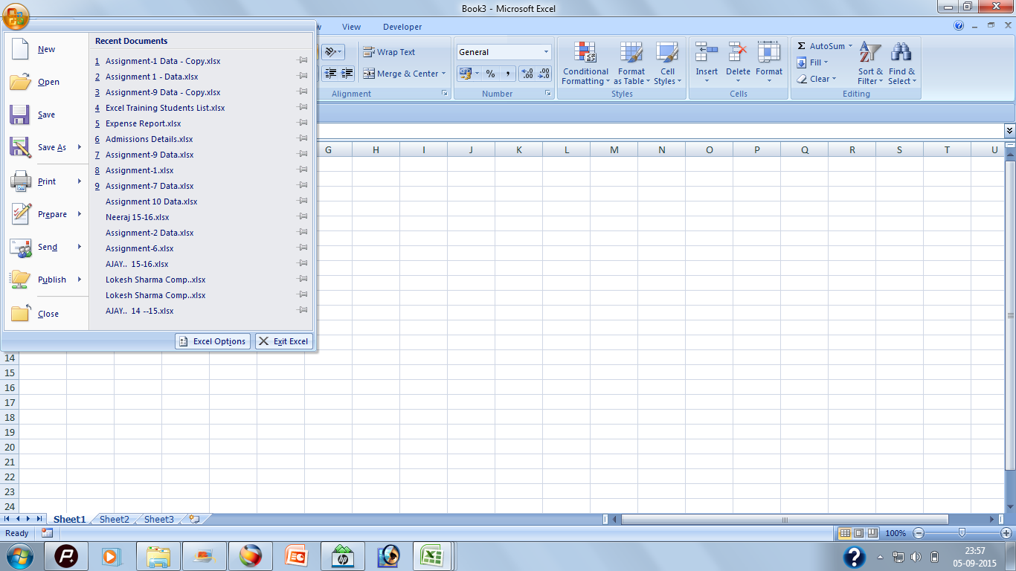

Excel Options Button to control Excel Application

Step 2:
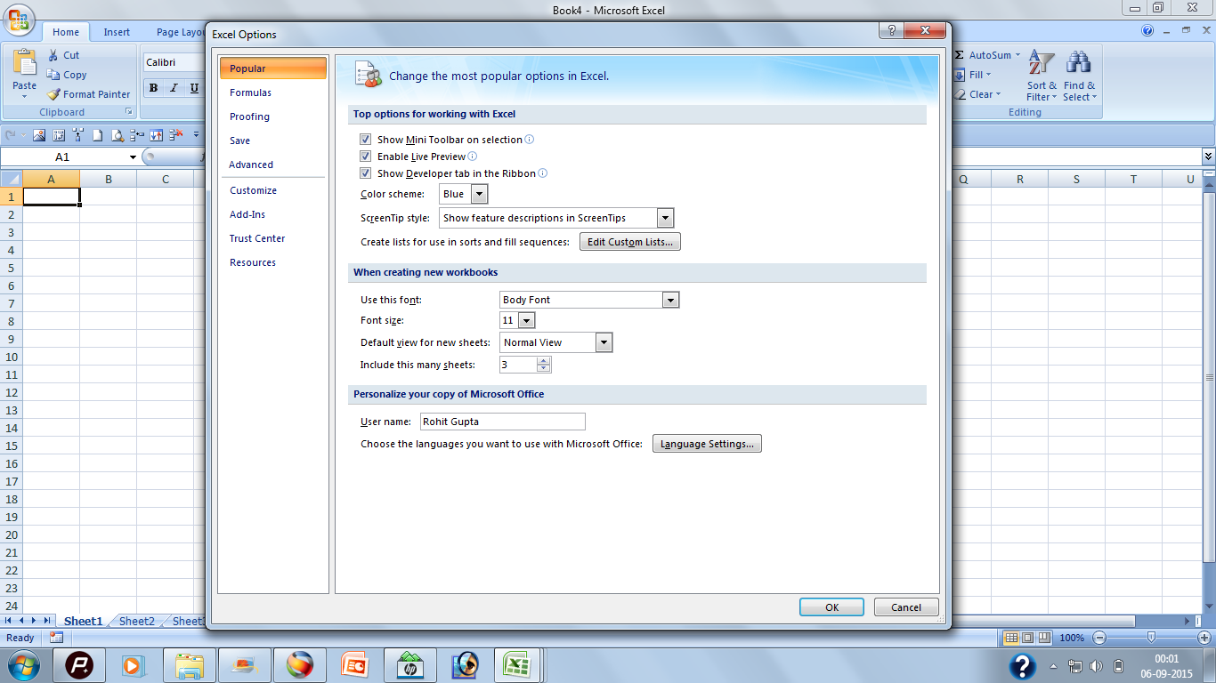

Format Painter

Format Painter is used to quickly copy formatting from one thing in a document to another. Select the thing you like the look of, click Format Painter, and then click the thing you want to change to look the same. If you want to copy the formatting to more than one thing, double-click instead of single-clicking Format Painter. To exit the Format Painter, press Esc.

Format Painter

ROHIT

 | rerohi

 |  |  | weerr | rere

 |  | r |  |  | re

Working
Home
Date | Time | Currency | % | Number | Date | ~
2014-11-17 | 2014-11-17 00:00:00 | ₹ 40,498.00 | 4049800% | 40498 | 40498
2013-03-27 | 2013-03-27 00:00:00 | ₹ 39,898.00 | 3989800% | 39898 | 39898
2012-05-31 | 2012-05-31 00:00:00 | ₹ 39,598.00 | 3959800% | 39598 | 39598
2011-08-05 | 2011-08-05 00:00:00 |  | 3929800% | 39298 | 39298
2010-10-09 | 2010-10-09 00:00:00 | ₹ 38,998.00 | 3899800% | 38998 | 38998
2009-02-16 | 2009-02-16 00:00:00 | ₹ 38,398.00 | 3839800% | 38398 | 38398
2008-04-22 | 2008-04-22 00:00:00 | ₹ 38,098.00 | 3809800% | 38098 | 38098
2007-06-27 | 2007-06-27 00:00:00 | ₹ 37,798.00 | 3779800% | 37798 | 37798 |  | #1/21
2006-08-31 | 2006-08-31 00:00:00 | ₹ 37,498.00 | 3749800% | 37498 | 37498
2005-11-04 | 2005-11-04 00:00:00 | ₹ 37,198.00 | 3719800% | 37198 | 37198
2005-01-08 | 2005-01-08 00:00:00 | ₹ 36,898.00 | 3689800% | 36898 | 36898
2004-03-14 | 2004-03-14 00:00:00 | ₹ 36,598.00 | 3659800% | 36598 | 36598
2003-05-19 | 2003-05-19 00:00:00 | ₹ 36,298.00 | 3629800% | 36298 | 36298
2002-07-23 | 2002-07-23 00:00:00 | ₹ 35,998.00 | 3599800% | 35998 | 35998
2001-09-26 | 2001-09-26 00:00:00 | ₹ 35,698.00 | 3569800% | 35698 | 35698 |  |  | 0
2000-11-30 | 2000-11-30 00:00:00 | ₹ 35,398.00 | 3539800% | 35398 | 35398
2000-02-04 | 2000-02-04 00:00:00 | ₹ 35,098.00 | 3509800% | 35098 | 35098
1999-04-10 | 1999-04-10 00:00:00 | ₹ 34,798.00 | 3479800% | 34798 | 34798
1998-06-14 | 1998-06-14 00:00:00 | ₹ 34,498.00 | 3449800% | 34498 | 34498
1997-08-18 | 1997-08-18 00:00:00 | ₹ 34,198.00 | 3419800% | 34198 | 34198
1996-10-22 | 1996-10-22 00:00:00 | ₹ 33,898.00 | 3389800% | 33898 | 33898
1995-12-27 | 1995-12-27 00:00:00 | ₹ 33,598.00 | 3359800% | 33598 | 33598
1995-03-02 | 1995-03-02 00:00:00 | ₹ 33,298.00 | 3329800% | 33298 | 33298
1994-05-06 | 1994-05-06 00:00:00 | ₹ 32,998.00 | 3299800% | 32998 | 32998
1993-07-10 | 1993-07-10 00:00:00 | ₹ 32,698.00 | 3269800% | 32698 | 32698
1992-09-13 | 1992-09-13 00:00:00 | ₹ 32,398.00 | 3239800% | 32398 | 32398
1991-11-18 | 1991-11-18 00:00:00 | ₹ 32,098.00 | 3209800% | 32098 | 32098
1991-01-22 | 1991-01-22 00:00:00 | ₹ 31,798.00 | 3179800% | 31798 | 31798
1990-03-28 | 1990-03-28 00:00:00 | ₹ 31,498.00 | 3149800% | 31498 | 31498
1989-06-01 | 1989-06-01 00:00:00 | ₹ 31,198.00 | 3119800% | 31198 | 31198
1988-08-05 | 1988-08-05 00:00:00 | ₹ 30,898.00 | 3089800% | 30898 | 30898
1987-10-10 | 1987-10-10 00:00:00 | ₹ 30,598.00 | 3059800% | 30598 | 30598
1986-12-14 | 1986-12-14 00:00:00 | ₹ 30,298.00 | 3029800% | 30298 | 30298
1986-02-17 | 1986-02-17 00:00:00 | ₹ 29,998.00 | 2999800% | 29998 | 29998
1985-04-23 | 1985-04-23 00:00:00 | ₹ 29,698.00 | 2969800% | 29698 | 29698
1984-06-27 | 1984-06-27 00:00:00 | ₹ 29,398.00 | 2939800% | 29398 | 29398
1983-09-01 | 1983-09-01 00:00:00 | ₹ 29,098.00 | 2909800% | 29098 | 29098
1982-11-05 | 1982-11-05 00:00:00 | ₹ 28,798.00 | 2879800% | 28798 | 28798

